Sheet1
No | Item Number | Title | Price | Vehicle W/o Engine | Vehicle W/ Engine | Picture | Url
1 | 255410646663 | A/C Compressor Fits 1989-1997 Toyota Corolla 1.6L 1.8L | US $97.82/ea | Geo Prizm 1989-1992 Toyota Corolla 1989-1997 | Geo Prizm 1989 1.6L 1588CC 98Cu. In. l4 GAS DOHC Naturally Aspirated Geo Prizm 1990-1992 1.6L 1587CC l4 GAS DOHC Naturally Aspirated Toyota Corolla 1989-1997 1.6L 1587CC l4 GAS DOHC Naturally Aspirated Toyota Corolla 1993-1997 1.8L 1762CC 107Cu. In. l4 GAS DOHC Naturally Aspirated | 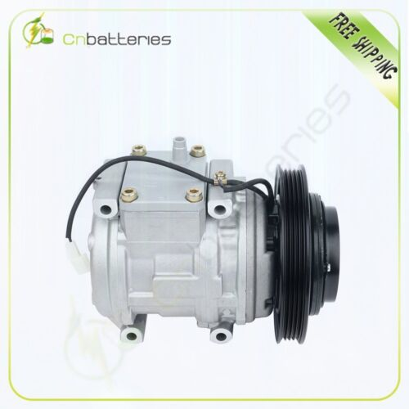 | https://www.ebay.com/itm/255410646663?_ul=US&_stpos=91710&orig_cvip=true
2 | 335270737835 | AC A/C Compressor for Chrysler 300 Dodge Challenger Charger 5.7L 2011-2013 | US $140.97/ea | Chrysler 300 2011-2013 Dodge Challenger 2011-2014 Dodge Charger 2011-2013 Dodge Durango 2011-2020 Jeep Grand Cherokee 2011-2020 | Chrysler 300 2011-2012 5.7L 345Cu. In. V8 FLEX OHV Naturally Aspirated Chrysler 300 2011-2013 5.7L 345Cu. In. V8 GAS OHV Naturally Aspirated Chrysler 300 2012-2013 6.4L 6424CC 392Cu. In. V8 GAS OHV Naturally Aspirated Dodge Challenger 2011-2014 5.7L 345Cu. In. V8 GAS OHV Naturally Aspirated Dodge Challenger 2011-2014 6.4L 6424CC 392Cu. In. V8 GAS OHV Naturally Aspirated Dodge Charger 2011-2012 5.7L 345Cu. In. V8 FLEX OHV Naturally Aspirated Dodge Charger 2011-2013 5.7L 345Cu. In. V8 GAS OHV Naturally Aspirated Dodge Charger 2012-2013 6.4L 6424CC 392Cu. In. V8 GAS OHV Naturally Aspirated Dodge Durango 2011-2020 5.7L 345Cu. In. V8 GAS OHV Naturally Aspirated Jeep Grand Cherokee 2011-2020 5.7L 345Cu. In. V8 GAS OHV Naturally Aspirated Jeep Grand Cherokee 2012-2020 6.4L 6424CC 392Cu. In. V8 GAS OHV Naturally Aspirated Jeep Grand Cherokee 2018-2020 6.2L 6166CC 376Cu. In. V8 GAS OHV Supercharged | 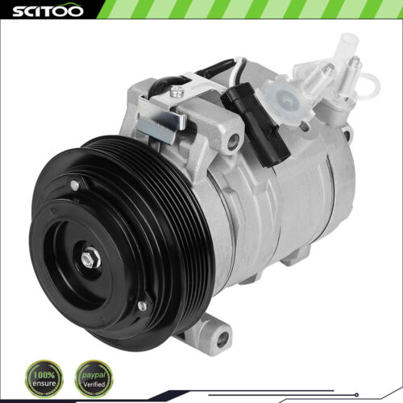 | https://www.ebay.com/itm/335270737835?_ul=US&_stpos=91710&orig_cvip=true
3 | 232315264904 | AC A/C Compressor For 2004 2005 2006 Mitsubishi Outlander Lancer CO 10845AC 2.4L | US $100.68/ea | Mitsubishi Lancer 2004-2006 Mitsubishi Outlander 2003-2006 | Mitsubishi Lancer 2004 2.4L 2400CC l4 GAS SOHC Naturally Aspirated Mitsubishi Lancer 2005-2006 2.4L 2378CC l4 GAS SOHC Naturally Aspirated Mitsubishi Outlander 2003-2004 2.4L 2351CC l4 GAS SOHC Naturally Aspirated Mitsubishi Outlander 2004-2006 2.4L 2378CC l4 GAS SOHC Naturally Aspirated | 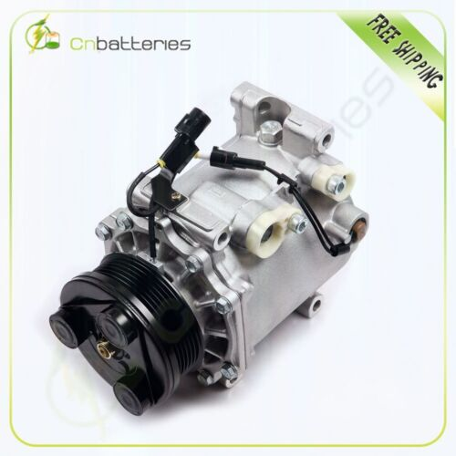 | https://www.ebay.com/itm/232315264904?_ul=US&_stpos=91710&orig_cvip=true
4 | 235748987359 | A/C Compressor Fits 2009-2011 2012 Honda Accord 12-15 Crosstour 2.4L CO 11224C | US $103.72/ea | Honda Accord 2008-2012 Honda Crosstour 2012-2015 | Honda Accord 2008-2012 2.4L 2354CC 144Cu. In. l4 GAS DOHC Naturally Aspirated Honda Crosstour 2012-2015 2.4L 2354CC 144Cu. In. l4 GAS DOHC Naturally Aspirated | 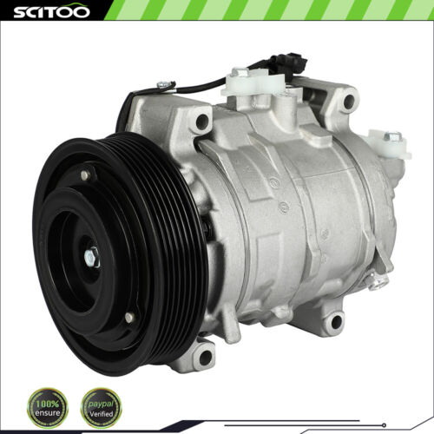 | https://www.ebay.com/itm/235748987359?_ul=US&_stpos=91710&orig_cvip=true
5 | 252900220689 | AC A/C Compressor For 98-06 Mercedes- Benz For Dodge Chrysler Models CO 105111C | US $112.56/ea | Chrysler Crossfire 2004-2008 Dodge Sprinter 2500 2003-2006 Dodge Sprinter 3500 2003-2006 Freightliner Sprinter 2500 2002-2006 Freightliner Sprinter 3500 2002-2006 Mercedes-Benz C220 1996 Mercedes-Benz C230 1997-2000 Mercedes-Benz C280 1996-2000 Mercedes-Benz C36 AMG 1996-1997 Mercedes-Benz C43 AMG 1998-2000 Mercedes-Benz CL500 1998-2000 Mercedes-Benz CLK320 1998-2003 Mercedes-Benz CLK430 1999-2003 Mercedes-Benz E300 1996-1999 Mercedes-Benz E320 1996-2002 Mercedes-Benz E420 1997 Mercedes-Benz E430 1998-2002 Mercedes-Benz E55 AMG 1999-2000 Mercedes-Benz ML320 1998-2002 Mercedes-Benz ML430 1999-2001 Mercedes-Benz S320 1996-1999 Mercedes-Benz SLK230 1998-2004 Mercedes-Benz SLK320 2001-2004 | Chrysler Crossfire 2004-2008 3.2L 3200CC 195Cu. In. V6 GAS SOHC Naturally Aspirated Dodge Sprinter 2500 2003-2006 2.7L 2687CC 165Cu. In. l5 DIESEL DOHC Turbocharged Dodge Sprinter 3500 2003-2006 2.7L 2687CC 165Cu. In. l5 DIESEL DOHC Turbocharged Freightliner Sprinter 2500 2002-2006 2.7L 2687CC 165Cu. In. l5 DIESEL DOHC Turbocharged Freightliner Sprinter 3500 2002-2006 2.7L 2687CC 165Cu. In. l5 DIESEL DOHC Turbocharged Mercedes-Benz C220 1996 2.2L 2199CC l4 GAS DOHC Naturally Aspirated Mercedes-Benz C230 1997-1998 2.3L 2295CC l4 GAS DOHC Naturally Aspirated Mercedes-Benz C230 1999-2000 2.3L 2295CC l4 GAS DOHC Supercharged Mercedes-Benz C280 1996-1997 2.8L 2799CC l6 GAS DOHC Naturally Aspirated Mercedes-Benz C280 1998-2000 2.8L 2799CC V6 GAS SOHC Naturally Aspirated Mercedes-Benz C36 AMG 1996-1997 3.6L 3606CC l6 GAS DOHC Naturally Aspirated Mercedes-Benz C43 AMG 1998-2000 4.3L 4266CC V8 GAS SOHC Naturally Aspirated Mercedes-Benz CL500 1998-1999 5.0L 4973CC 303Cu. In. V8 GAS DOHC Naturally Aspirated Mercedes-Benz CL500 1998-1999 5.0L 4973CC V8 GAS DOHC Naturally Aspirated Mercedes-Benz CL500 2000 5.0L 4973CC V8 GAS SOHC Naturally Aspirated Mercedes-Benz CLK320 1998-2003 3.2L 3199CC V6 GAS SOHC Naturally Aspirated Mercedes-Benz CLK430 1999-2003 4.3L 4266CC V8 GAS SOHC Naturally Aspirated Mercedes-Benz E300 1996-1997 3.0L 2996CC l6 DIESEL DOHC Naturally Aspirated Mercedes-Benz E300 1998-1999 3.0L 2996CC l6 DIESEL DOHC Turbocharged Mercedes-Benz E320 1996-1997 3.2L 3199CC l6 GAS DOHC Naturally Aspirated Mercedes-Benz E320 1998-2002 3.2L 3199CC V6 GAS SOHC Naturally Aspirated Mercedes-Benz E420 1997 4.2L 4196CC V8 GAS DOHC Naturally Aspirated Mercedes-Benz E430 1998-2002 4.3L 4266CC V8 GAS SOHC Naturally Aspirated Mercedes-Benz E55 AMG 1999-2000 5.5L 5439CC 332Cu. In. V8 GAS SOHC Naturally Aspirated Mercedes-Benz ML320 1998-2002 3.2L 3199CC V6 GAS SOHC Naturally Aspirated Mercedes-Benz ML430 1999-2001 4.3L 4266CC V8 GAS SOHC Naturally Aspirated Mercedes-Benz S320 1996-1999 | 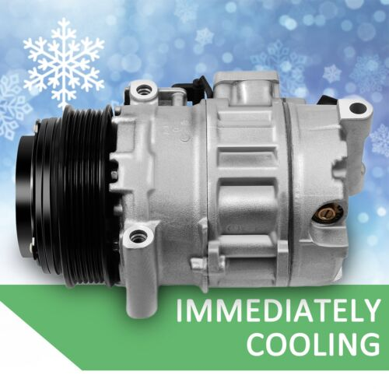 | https://www.ebay.com/itm/252900220689?_ul=US&_stpos=91710&orig_cvip=true
6 | 235461387733 | AC A/C Compressor For 2003-2009 Chevrolet Trailblazer GMC Envoy 4.2L CO 4910AC | US $108.18 | Buick Rainier 2004-2007 Chevrolet Trailblazer 2002-2009 Chevrolet Trailblazer EXT 2002-2006 GMC Envoy 2002-2009 GMC Envoy XL 2002-2006 GMC Envoy XUV 2004-2005 Isuzu Ascender 2003-2008 Oldsmobile Bravada 2002-2004 Saab 9-7x 2005-2009 | Buick Rainier 2004-2007 4.2L 256Cu. In. l6 GAS DOHC Naturally Aspirated Chevrolet Trailblazer 2002-2009 4.2L 256Cu. In. l6 GAS DOHC Naturally Aspirated Chevrolet Trailblazer EXT 2002-2006 4.2L 256Cu. In. l6 GAS DOHC Naturally Aspirated GMC Envoy 2002-2009 4.2L 256Cu. In. l6 GAS DOHC Naturally Aspirated GMC Envoy XL 2002-2006 4.2L 256Cu. In. l6 GAS DOHC Naturally Aspirated GMC Envoy XUV 2004-2005 4.2L 256Cu. In. l6 GAS DOHC Naturally Aspirated Isuzu Ascender 2003-2008 4.2L 256Cu. In. l6 GAS DOHC Naturally Aspirated Oldsmobile Bravada 2002-2004 4.2L 256Cu. In. l6 GAS DOHC Naturally Aspirated Saab 9-7x 2005-2009 4.2L 256Cu. In. l6 GAS DOHC Naturally Aspirated | 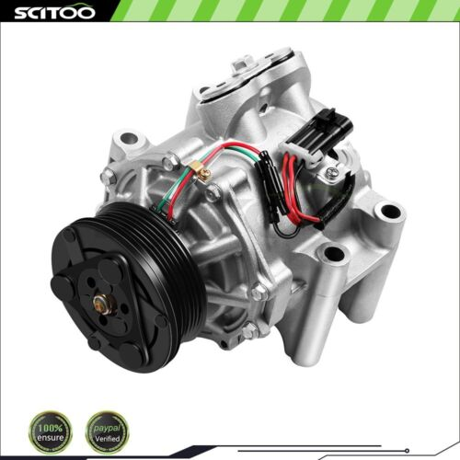 | https://www.ebay.com/itm/235461387733?_ul=US&_stpos=91710&orig_cvip=true
7 | 235544392154 | AC A/C Compressor for Cadillac SRX 3.6L 2004-2009 New 04 05 06 07 08 09 | US $110.18/ea | Cadillac SRX 2004-2009 | Cadillac SRX 2004-2009 3.6L 3564CC 217Cu. In. V6 GAS DOHC Naturally Aspirated | 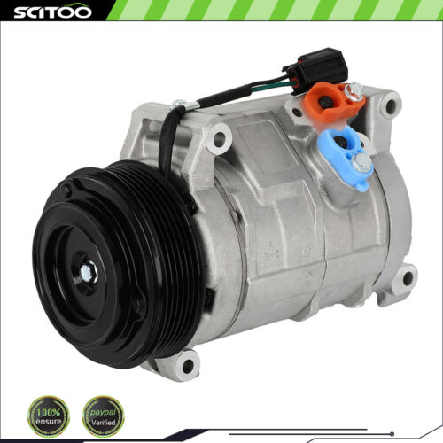 | https://www.ebay.com/itm/235544392154?_ul=US&_stpos=91710&orig_cvip=true
8 | 256469386720 | A/C AC Compressor For 2004-2008 Dodge Ram 1500 2500 3500 4000 5.7L 10S17E 77398 | US $124.92/ea | Dodge Ram 1500 2003-2008 Dodge Ram 2500 2003-2008 Dodge Ram 3500 2003-2008 | Dodge Ram 1500 2003-2008 5.7L 345Cu. In. V8 GAS OHV Naturally Aspirated Dodge Ram 2500 2003-2008 5.7L 345Cu. In. V8 GAS OHV Naturally Aspirated Dodge Ram 3500 2003-2008 5.7L 345Cu. In. V8 GAS OHV Naturally Aspirated | 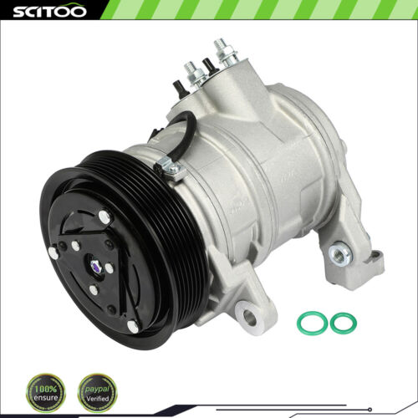 | https://www.ebay.com/itm/256469386720?_ul=US&_stpos=91710&orig_cvip=true
9 | 334348192867 | AC Compressor For 2000-2003 GMC Isuzu 1998-2003 Chevrolet S10 2.2L CO 20446C | US $101.26/ea | Chevrolet S10 1998-2003 GMC Sonoma 1998-2003 Isuzu Hombre 1998-2000 | Chevrolet S10 1998-2003 2.2L 2190CC 134Cu. In. l4 GAS OHV Naturally Aspirated Chevrolet S10 1999 BATTERY EV (EV/BEV) Chevrolet S10 2000-2002 2.2L 2190CC 134Cu. In. l4 FLEX OHV Naturally Aspirated GMC Sonoma 1998-2003 2.2L 2190CC 134Cu. In. l4 GAS OHV Naturally Aspirated GMC Sonoma 2000-2002 2.2L 2190CC 134Cu. In. l4 FLEX OHV Naturally Aspirated Isuzu Hombre 1998-2000 2.2L 2190CC 134Cu. In. l4 GAS OHV Naturally Aspirated | 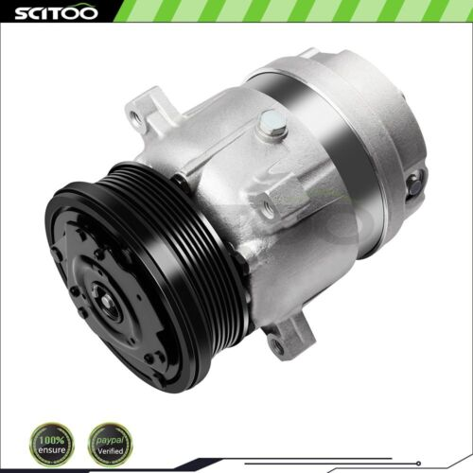 | https://www.ebay.com/itm/334348192867?_ul=US&_stpos=91710&orig_cvip=true
10 | 232479816006 | AC A/C Compressor For 01-10 Chrysler PT Cruiser 2.4L 03-05 Dodge Neon 2.0L 2.4L | US $100.11/ea | Chrysler PT Cruiser 2001-2010 Dodge Neon 2003-2005 Dodge SX 2.0 2003-2005 | Chrysler PT Cruiser 2001-2010 2.4L 2429CC 148Cu. In. l4 GAS DOHC Naturally Aspirated Chrysler PT Cruiser 2003-2008 2.4L 2429CC 148Cu. In. l4 GAS DOHC Turbocharged Dodge Neon 2003-2005 2.0L 1996CC 122Cu. In. l4 GAS SOHC Naturally Aspirated Dodge Neon 2003-2005 2.4L 2429CC 148Cu. In. l4 GAS DOHC Turbocharged Dodge Neon 2004-2005 2.0L 1995CC 122Cu. In. l4 GAS SOHC Naturally Aspirated Dodge SX 2.0 2003-2005 2.0L 1996CC 122Cu. In. l4 GAS SOHC Naturally Aspirated | 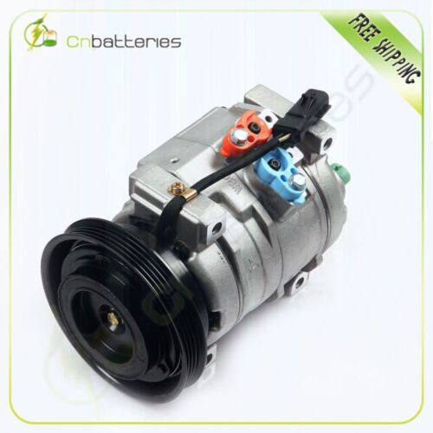 | https://www.ebay.com/itm/232479816006?_ul=US&_stpos=91710&orig_cvip=true

